Bug report 1
Summary: | The user can change the employee's name and enter characters and numbers instead of letters
Description: | The user logs in to the Humanity site, and wants to edit the existing user in the Staff field. When a user changes an employee's first name and enters characters and numbers instead of letters, the change can be successfully saved and there will be an employee with an incorrect name in the database.
Steps to reproduce: | Open Mozzila Firefox browser
 | Go to the following URL: https://www.humanity.com
 | Click on "LOGIN" button in the upper right corner
 | Click on "Email/Username" field and input valid email (example:brajkovic.tina@gmail.com)
 | Click on "Password" field and input an valid password (example:*************)
 | Click on "LOG IN" button
 | Click on "Staff" field
 | Click on employee "Stefan Stefanovic"
 | Click on "Edit details" button
 | Click on "First name" field
 | Delete "Stefan" first name and input new first name with signs and number(example:***1111)
Expected result: | Editing an employee with input invalid first name will not be successful
Actual result: | The user can successfully change a valid name to an invalid one, using characters and numbers.
Priority: | Medium
Severity: | Medium
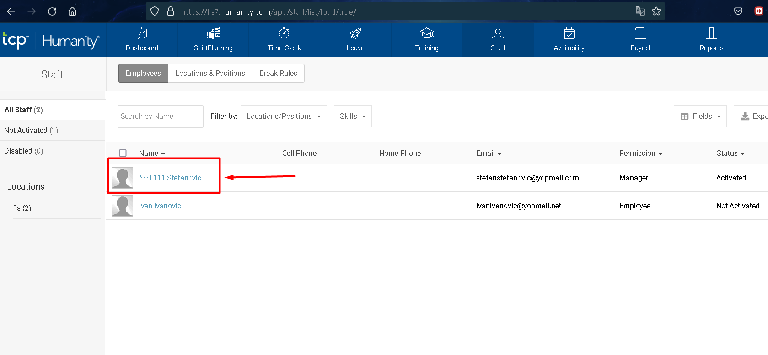
Repro rate: | 10%
Screenshot:

